1. Title Page
Instacart Grocery Basket Analysis

Project Name: Instacart Grocery Basket Analysis
Date: 29/10/2023
Analyst Name: Kateryna Lysenko

Contents:
Population Flow
Consistency checks
Wrangling steps
Column derivations
Visualizations
Recommendations

2. Population Flow
Titel Page

Population flow

Exclusion flag
Condition: max_order <
Obervations to be removed:
Final total count of order_products_all:

Orders_products_combined
Orders_products_merged
Orders_products_all

Total:
Total:
Total:

1.) The grey boxes in the first row of the population flow represent the original data sets as they were when you downloaded them. In the Total fields you need to add the count of the rows when you imported the data set into Jupyter.
2.) The second row of boxes (coloured) represents the data sets after you manipulated them, e.g., removed missing values and duplicates. In the Total fields you need to add the count of the rows after conducting these operations. This offers a visual oveview of how the data flows throughout the data consistency checks.
3.) The third row, where also the arrows are coloured, represents the merges you performed between the datasets. In the Total fields you need to add the count of the rows in the merged datasets, so that you end up with the final dataset (in the red box). Keep in mind the final dataset should be without exclusions (based on the exclusion flag).

3. Consistency checks
 |  |  |  | Population Flow
Consistency checks

Dataset | Missing values | Missing values treatment | Duplicates
orders | 206,209 missing values in the 'days_since_prior_order' column | No action needed | No duplicates found
products | 16 values missing in the 'product_name' column | Removed the missing values | 5 duplicates found and removed
orders_products_prior | 206,209 missing values in the 'days_since_prior_order' column | No action needed | No duplicates found
customers | 11,259 missing values in the 'firstr_name' column | No action needed | No duplicates found

4. Wrangling steps
 |  |  |  | Consistency checks
Wrangling steps

Columns dropped | Columns renamed | Columns' type changed | Comment/Reason
eval_set column |  |  | not necessary for the analysis
first_name and last_name |  |  | Removing Personally Identifiable Information (PII) is a crucial step for data protection, ensuring the privacy of individuals in compliance with regulations. This process safeguards against unauthorized access and builds trust by demonstrating a commitment to responsible data handling practices.
 | First Name |  | Renamed a column to give a more explanatory name.
 | Surnam |  | Renamed a column to give a more explanatory name.
 | Gender |  | Renamed a column to give a more explanatory name.
 | STATE |  | Renamed a column to give a more explanatory name.
 | Age |  | Renamed a column to give a more explanatory name.
 | n_dependants |  | Renamed a column to give a more explanatory name.
 | fam_status |  | Renamed a column to give a more explanatory name.
 |  | user_id | changed to string to make consistent for merge

5. Column derivations
 |  |  |  | Wrangling steps

Column derivations and aggregations

Dataset | New column | Column/s it was derived from | Conditions
ords_prods_customers_merged | region | state | results_region = [] for value in ords_prods_customers_merged["state"]: if value == 'Maine' or value == 'New Hampshire' or value == 'Vermont' or value == 'Massachusetts' or value == 'Rhode Island' or value == 'Connecticut' or value == 'New York' or value == 'Pennsylvania' or value == 'New Jersey': results_region.append("Northeast") elif value == 'Wisconsin' or value == 'Michigan' or value == 'Illinois' or value == 'Indiana' or value == 'Ohio' or value == 'North Dakota' or value == 'South Dakota' or value == 'Nebraska' or value == 'Kansas' or value == 'Minnesota' or value == 'Iowa' or value == 'Missouri': results_region.append("Midwest") elif value == 'Delaware' or value == 'Maryland' or value == 'District of Colombia' or value == 'Virginia' or value == 'West Virginia' or value == 'North Carolina' or value == 'South Carolina' or value == 'Georgia' or value == 'Florida' or value == 'Kentucky' or value == 'Tennessee' or value == 'Mississippi' or value == 'Alabama' or value == 'Oklahoma' or value == 'Texas' or value == 'Arkansas' or value == 'Lousiana': results_region.append("South") else: results_region.append("West")
customer_high_activity | age_group | age | bins = [18, 25, 35, 45, 55, 65, 81] labels = ['18-25', '26-35', '36-45', '46-55', '56-65', '66-81'] customer_high_activity['age_group'] = pd.cut(customer_high_activity['age'], bins=bins, labels=labels, include_lowest=True)
ords_prods_customers_merged | exclusion_flag | customer_activity | ords_prods_customers_merged.loc[ords_prods_customers_merged['max_order']>= 5, 'customer_activity'] = 'High-activity customer' ords_prods_customers_merged.loc[ords_prods_customers_merged['max_order']< 5, 'customer_activity'] = 'Low-activity customer'
customer_high_activity | income | income_group | income_bins = [0, 67292, 128102, 593901] income_labels = ['Low Income', 'Middle Income', 'High Income'] customer_high_activity['income_group'] = pd.cut(customer_high_activity['income'], bins=income_bins, labels=income_labels, include_lowest=True)
customer_high_activity | num_of_dependants | fam_status | customer_high_activity.loc[(customer_high_activity['fam_status'] != 'married') & (customer_high_activity['num_of_dependants'] > 0), 'customer_profile'] = 'Single Parent' customer_high_activity.loc[(customer_high_activity['fam_status'] != 'married') & (customer_high_activity['gender'] == 'Female') & (customer_high_activity['num_of_dependants'] == 0), 'customer_profile'] = 'Single Female w/o Children' customer_high_activity.loc[(customer_high_activity['fam_status'] != 'married') & (customer_high_activity['gender'] == 'Male') & (customer_high_activity['num_of_dependants'] == 0), 'customer_profile'] = 'Single Male w/o Children' customer_high_activity.loc[(customer_high_activity['age'] < 30) & (customer_high_activity['fam_status'] == 'married') & (customer_high_activity['num_of_dependants'] > 0), 'customer_profile'] = 'Married Young Parent' customer_high_activity.loc[(customer_high_activity['age'] >= 30) & (customer_high_activity['fam_status'] == 'married') & (customer_high_activity['num_of_dependants'] > 0), 'customer_profile'] = 'Married Older Parent' customer_high_activity.loc[(customer_high_activity['fam_status'] == 'married') & (customer_high_activity['num_of_dependants'] == 0), 'customer_profile'] = 'Married Young Parent'

6. Visualizations
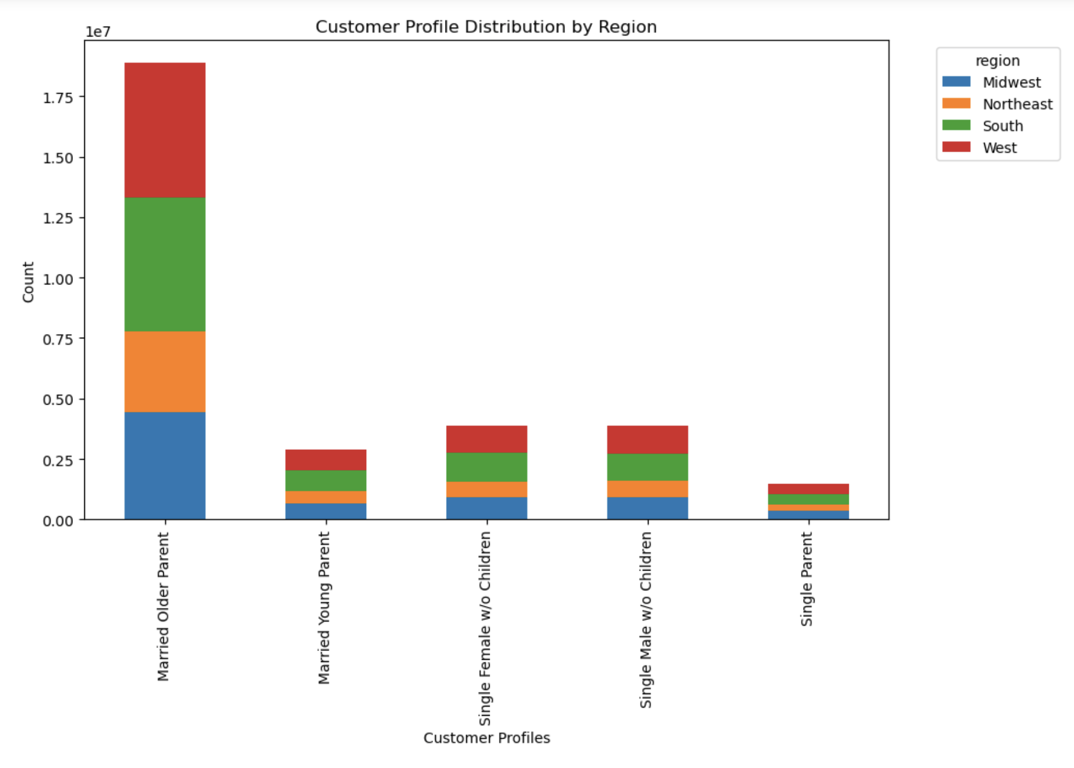
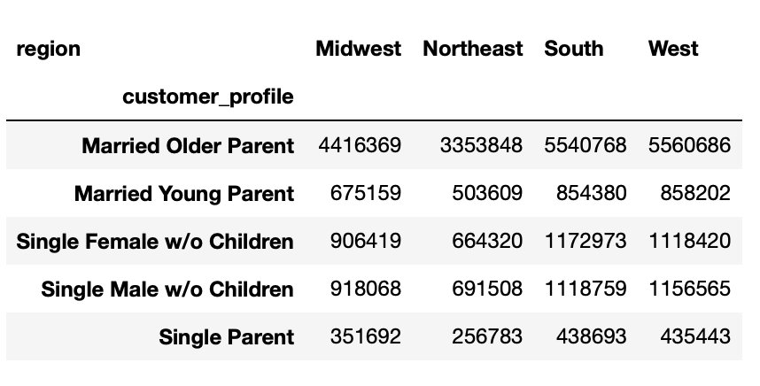
 |  | Column derivations

Visualisations

After analyzing the data, we can see the results that will help us solve our main issues and optimize the work of the sales department.

Busiest days of the week

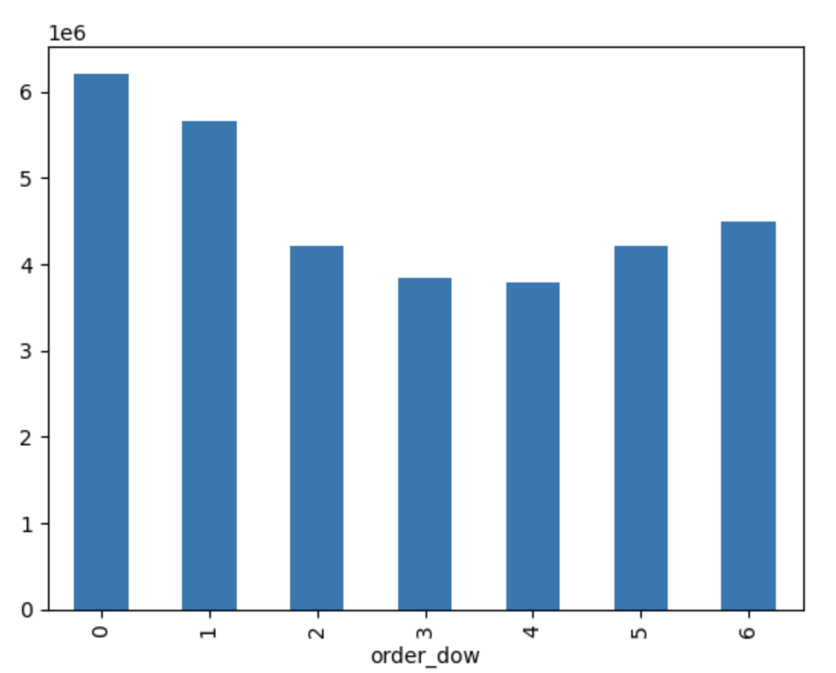
 | 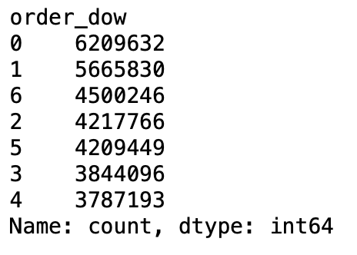 |  | "Most activity occurs between Friday and Monday, and the busiest ordering hours are between 10am and around 3pm. The sales team can optimize their advertising strategy to reach customers during less busy times, ensuring that their messages are well received without interfering with the checkout process."

Busiest hours of the day


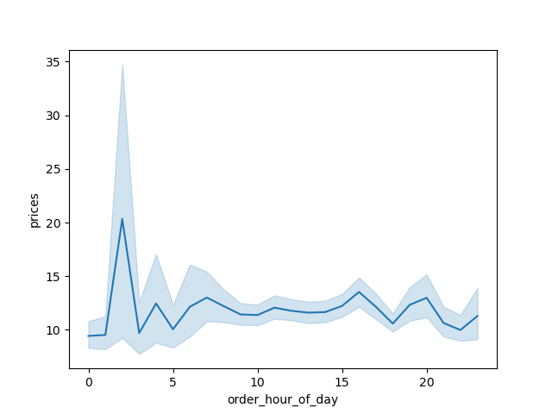

 |  |  | The histogram shows us the peak and off-peak hours of orders. The histogram shows that the most active hours are between 9:00 and 16:00, with a clear peak during this period. In contrast, the hours between 1:00 and 6:00 are the lowest in terms of order activity. In addition, there is a gradual decline in the number of orders after 16:00.

Departments Frequency

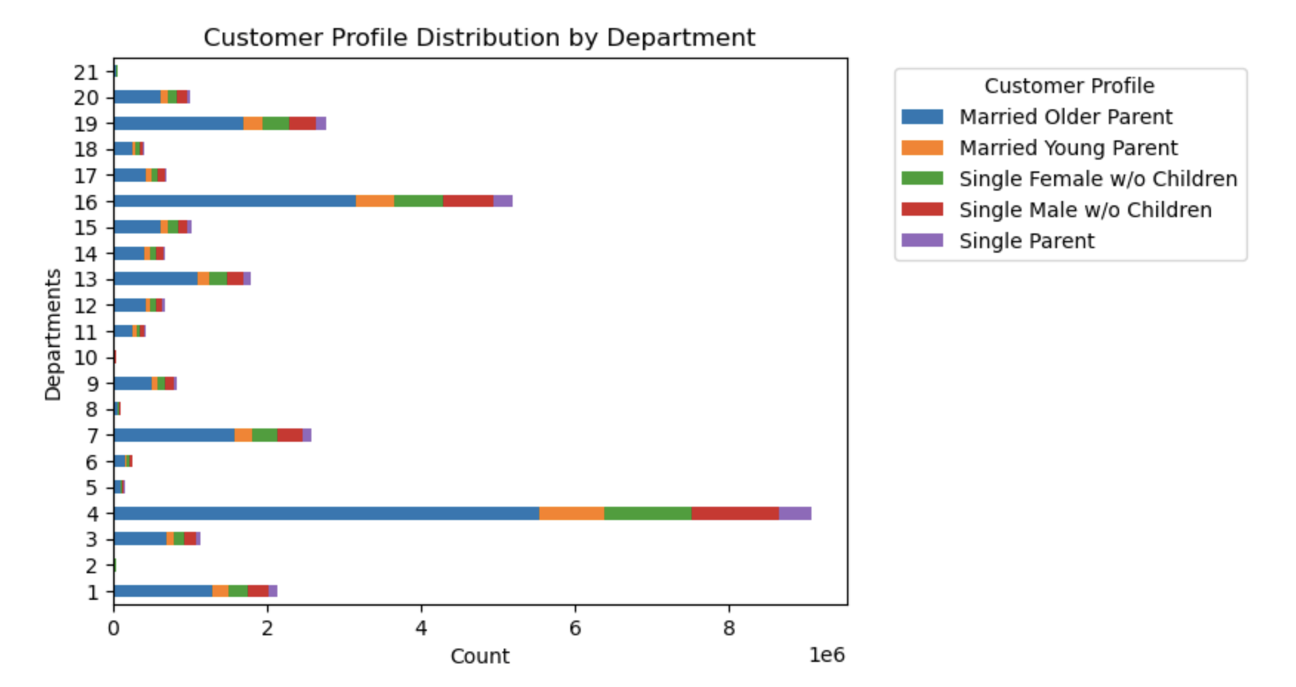
 |  |  | Based on the results of the analysis, we can:

 |  |  | Focus on high-popularity departments: those departments were found to be the most popular among customers, making them ideal for promoting products and increasing sales.

 |  |  | Cross-promotions: consider cross-promotions between departments. If different departments have complementary products, collaborate on marketing campaigns to encourage customers to buy from both departments.

 |  |  | Customer feedback: encourage customer feedback to gain insight into their needs and preferences. A positive customer experience can drive repeat business and word-of-mouth recommendations.

Connection between age and spending power (income)

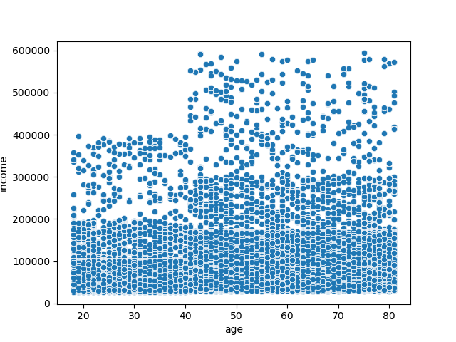

 |  |  | The scatterplot shows a marked correlation between these two variables, as well as a predominant concentration of individuals with incomes below 200,000. However, in the older age group of 40 and over, there is a noticeable presence of individuals with significantly higher incomes compared to the 20 to 39 age range. This observation suggests that as people cross the age threshold of 40, their earning potential tends to increase.

Connection between family status and spending

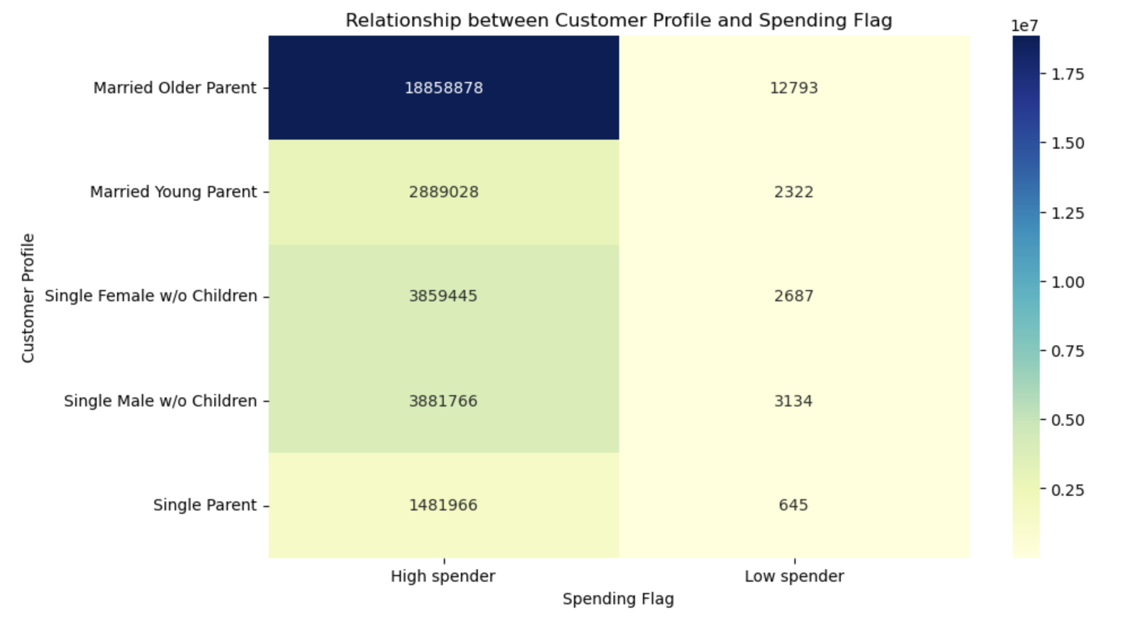 |  |  | There is a significant correlation between age, marital status and ordering patterns, with these demographics consistently representing the majority of our customer base. Given this valuable insight, a strategic business approach can include tailoring marketing initiatives to the distinct preferences and needs of these key segments. To increase sales, consider offering special deals and packages that align with what families and young adults prefer to buy. Also, try to recommend complementary products that go well together and offer discounts on weekends when most people shop. This way, you can make more sales and keep customers satisfied.

Ordering habits based on a customer’s region

7. Recommendations
 | Visualizations

Recommendations

The sales team needs to know what the busiest days of the week and hours of the day are (i.e., the days and times with the most orders) in order to schedule ads at times when there are fewer orders.

Recommendations:

Strategic advertising planning: Schedule your ads for quieter hours, focusing on Tuesday through Thursday to maximize visibility and engagement when order volume is lower. Promotions and special offers: Introduce promotions or special offers during specific peak hours (Friday through Monday, 10:00 to 15:00) to take advantage of high customer activity and drive additional sales. Targeted marketing: Run targeted marketing campaigns on the busiest days and hours, focusing on promotions to increase customer engagement and drive sales during peak periods.

They also want to know whether there are particular times of the day when people spend the most money, as this might inform the type of products they advertise at these times.

Recommendations: Prime time advertising hours: Focus advertising efforts on products during the peak hours of 9:00 to 16:00, taking advantage of the increased purchasing activity of consumers during this period. Targeted product promotion: Tailor product ads to match consumer preferences during peak hours to resonate with the audience during peak shopping activity.

Are there certain types of products that are more popular than others? The marketing and sales teams want to know which departments have the highest frequency of product orders.

Recommendations: Focus on high-popularity departments: those departments were found to be the most popular among customers, making them ideal for promoting products and increasing sales. Cross-promotions: consider cross-promotions between departments. If different departments have complementary products, collaborate on marketing campaigns to encourage customers to buy from both departments. Customer feedback: encourage customer feedback to gain insight into their needs and preferences. A positive customer experience can drive repeat business and word-of-mouth recommendations.

The marketing and sales teams are particularly interested in the different types of customers in their system and how their ordering behaviors differ.

Recommendations: Personalized offers: Deliver personalized promotions and offers based on income level to appeal to a wide range of customers. Create promotions that match the financial capabilities of both higher and lower income segments. Loyalty programs: Implement loyalty programs that recognize and reward the loyalty of customers from different income levels. Offer exclusive benefits or discounts to encourage repeat purchases and customer retention. Age-based marketing: Customize marketing messages for different age groups, emphasizing how products or services meet the changing needs and preferences associated with specific life stages.

